2. Comparator
8-BIT DIGITAL COMPARATOR DESIGN WITH ILA

 |  |  |  |  |  |  |  |  | A= | 56 | <<<<< | ENTER TWO NUMBERS>0
 | CONTROL SIGNAL: |  |  | 0 |  |  |  |  | B= | 23 | <<<<< | 0<NUMBER<256
 |  |  |  |  |  |  |  |  | A>B?? | YES
 | a7 | b7 | a6 | b6 | a5 | b5 | a4 | b4 | a3 | b3 | a2 | b2 | a1 | b1 | a0 | b0
 | 0 | 0 | 0 | 0 | 1 | 0 | 1 | 1 | 1 | 0 | 0 | 1 | 0 | 1 | 0 | 1
COUT
CIN
 | 0 | 1 | 0 | 1 | 1 | 1 | 1 | 0 | 1 | 1 | 0 | 0 | 0 | 0 | 0 | 0 | invert logic | BOOLEAN TRUTH TABLE
 | 1 |  | 1 |  | 1 |  | 1 |  | 1 |  | 0 |  | 0 |  | 0 |  | 0 | A | B | CIN | COUT
 | COUT<<<<<< |  |  |  |  |  |  |  |  |  |  |  |  |  |  |  |  | 0 | 0 | 0 | 0
 | Comparator result: |  |  | A>B? | YES |  |  |  | Both results are equal? |  |  |  | YES |  |  |  |  | 0 | 0 | 1 | 1
 |  |  |  |  |  | -24 |  |  |  |  |  |  |  |  |  |  |  | 0 | 1 | 0 | 0
 |  |  |  |  |  |  |  |  |  |  |  |  |  |  |  |  |  | 0 | 1 | 1 | 0
 |  |  |  |  |  |  |  |  |  |  |  |  |  |  |  |  |  | 1 | 0 | 0 | 1
 |  |  |  |  |  |  |  |  |  |  |  |  |  |  |  |  |  | 1 | 0 | 1 | 1
 |  |  |  |  |  |  |  |  |  |  |  |  |  |  |  |  |  | 1 | 1 | 0 | 0
 |  |  |  |  |  |  |  |  |  |  |  |  |  |  |  |  |  | 1 | 1 | 1 | 1

3. Ripple carry adder
8-bit ripple-carry adder design with control signal for subtraction

 |  | ADD/SUBTRACT |  |  |  |  | ADD=0 |  | CIN=0 |  | A= | 30 | <<<<< | ENTER TWO NUMBERS
 |  | CONTROL SIGNAL: |  |  | 1 |  | SUB=1 |  | CIN=1 |  | B= | -127 | <<<<< | -128<NUMBER<128
 |  |  |  |  | 0 |  |  |  |  |  | SUM= | 157
 |  | a7 | b7 | a6 | b6 | a5 | b5 | a4 | b4 | a3 | b3 | a2 | b2 | a1 | b1 | a0 | b0
 |  | 0 | 1 | 0 | 0 | 0 | 0 | 1 | 0 | 1 | 0 | 1 | 0 | 1 | 0 | 0 | 1
 |  | 0 | 0 | 0 | 1 | 0 | 1 | 1 | 1 | 1 | 1 | 1 | 1 | 1 | 1 | 0 | 0
 | COUT<<<< | 0 |  | 1 |  | 1 |  | 1 |  | 1 |  | 1 |  | 1 |  | 0 |  | 1
 |  | 1 |  | 0 |  | 0 |  | 1 |  | 1 |  | 1 |  | 0 |  | 1 |  | CIN
 |  | SUM7 |  | SUM6 |  | SUM5 |  | SUM4 |  | SUM3 |  | SUM2 |  | SUM1 |  | SUM0
 |  |  |  |  |  |  |  |  |  |  |  |  |  |  |  | ↑
 |  | SUM converted back to decimal: |  |  |  |  | -99 |  |  | Both sums are equal? |  |  |  | NO
 |  |  |  |  |  |  |  |  |  | OVERFLOW? |  |  |  | YES

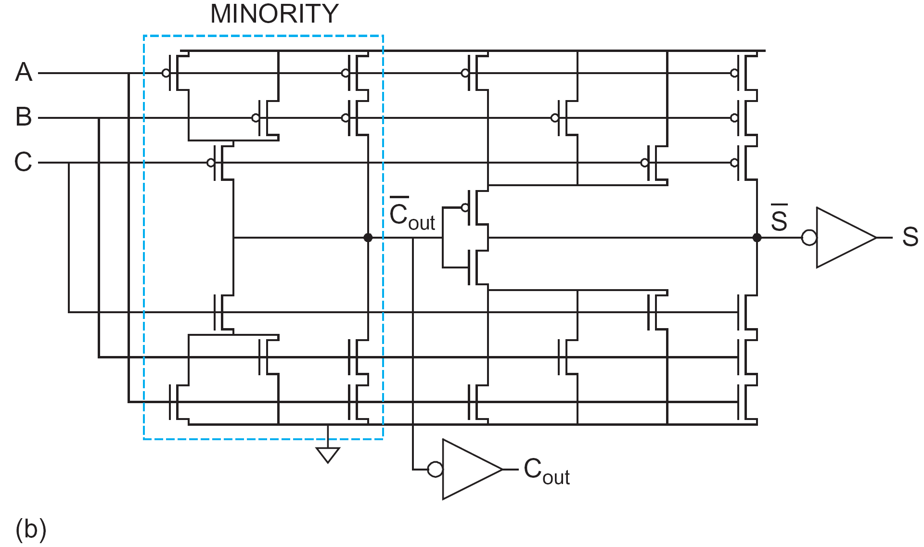
Sum
C_{IN}
C_{OUT}
A
B
Carry logic
A
B
SUM logic
C_{OUT}
SUM
A
B
C
SUM logic
Carry logic
From Weste & Harris
 |  |  |  |  |  |  |  |  |  |  |  |  |  |  | BOOLEAN TRUTH TABLE |  |  |  |  |  | LOGIC FORMULAS
 |  |  |  |  |  |  |  |  |  |  |  |  |  |  |  | A | B | CIN | COUT | SUM |  | COUT | SUM
 |  |  |  |  |  |  |  |  |  |  |  |  |  |  |  | 0 | 0 | 0 | 0 | 0 |  | 0 | 0
 |  |  |  |  |  |  |  |  |  |  |  |  |  |  |  | 0 | 0 | 1 | 0 | 1 |  | 0 | 1
 |  |  |  |  |  |  |  |  |  |  |  |  |  |  |  | 0 | 1 | 0 | 0 | 1 |  | 0 | 1
 |  |  |  |  |  |  |  |  |  |  |  |  |  |  |  | 0 | 1 | 1 | 1 | 0 |  | 1 | 0
 |  |  |  |  |  |  |  |  |  |  |  |  |  |  |  | 1 | 0 | 0 | 0 | 1 |  | 0 | 1
 |  |  |  |  |  |  |  |  |  |  |  |  |  |  |  | 1 | 0 | 1 | 1 | 0 |  | 1 | 0
 |  |  |  |  |  |  |  |  |  |  |  |  |  |  |  | 1 | 1 | 0 | 1 | 0 |  | 1 | 0
 |  |  |  |  |  |  |  |  |  |  |  |  |  |  |  | 1 | 1 | 1 | 1 | 1 |  | 1 | 1

